Table 2
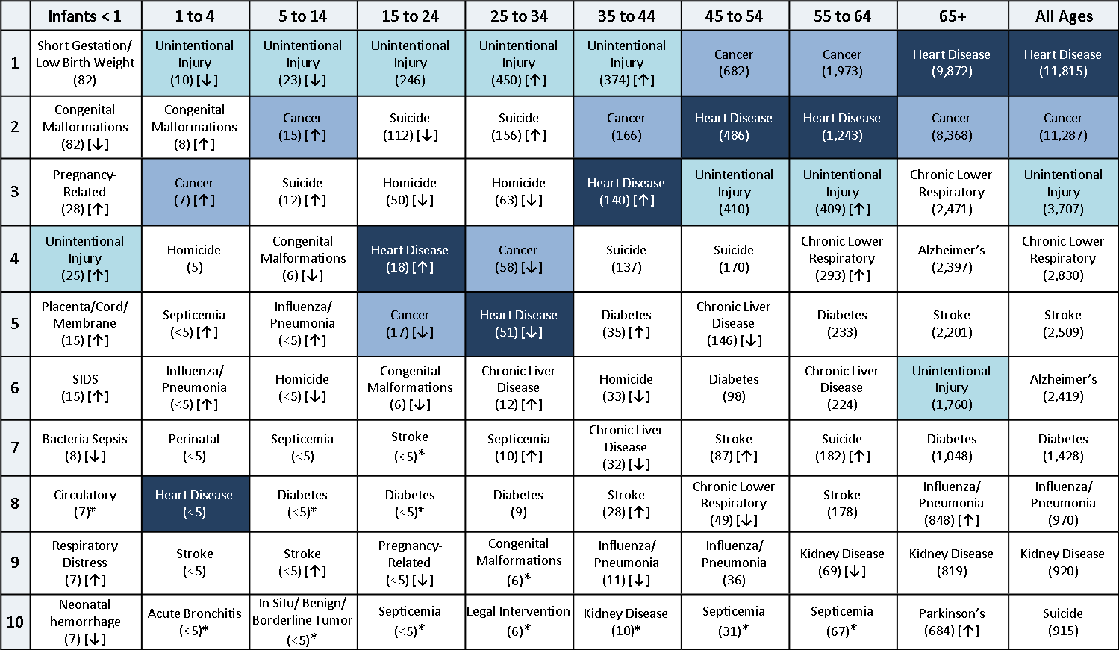
Table 2. Top 10 leading causes of death by age group, 2017

Source: Office of Health Informatics, Division of Public Health, Wisconsin Department of Health Services
Notes: [↑] = at least a 10% increase since last year; [↓] = at least a 10% decrease since last year; * = new cause in the top 10 leading causes of death

